EXCEL PROJECT REVIEW FORM
Task Management Excel Template

 | Review/Highlight Report
 | Project Name:

 | Reporting Period: |  |  |  |  | Project Manager: |  |  |  |  | Sponsor/Client:
 | Created by: |  |  |  |  | Date Created: |  |  |  |  | RAG Status | A | Project Phase:
 | Project Description: |  |  |  |  |  |  |  |  |  | Completion Date:
 | POSITION |  | DATE
Kick Off | 15 | 10-May-18 | 1
Milestone 1 | 5 | 7-Jun-18 | 1
Milestone 2 | 10 | 21-Jul-18 | 1
Checkpoint A | -8 | 1-Jul-18 | 1
Milestone 3 | 5 | 20-Sep-18 | 1
Milestone 4 | 10 | 30-Oct-18 | 1
Checkpoint B | -8 | 20-Dec-18 | 1
Milestone 5 | 5 | 30-Jan-19 | 1
Milestone 6 | 15 | 10-Feb-19 | 1
Milestone 7 | 5 | 30-Mar-19 | 1
Checkpont C | -8 | 20-May-19 | 1
Sign Off | 15 | 30-May-19 | 1
 | Milestones, Tasks, Outcomes Delivered This Period |  |  |  |  | Outstanding Deliverables |  |  |  |  | Deliverables Scheduled for Next Period
 |  |  |  |  |  |  |  |  |  | Delivery Date |  |  |  |  | Delivery Date

 | Risk Management |  |  |  |  | Issue Management |  |  |  |  | Change Management

 | Log No | Risk Description |  | Status/Action |  | Log No | Issue Description |  | Status/Action |  | Log No | Proposed Change |  |  | Approved

 | Financial Report
 | Capital |  |  |  |  | Revenue |  |  |  |  | External
 | Source | Budget | Actual | Remaining | Forecast | Source | Budget | Actual | Remaining | Forecast | Source | Budget | Actual | Remaining | Forecast

 |  |  | Make beautiful timelines in PowerPoint for important meetings.
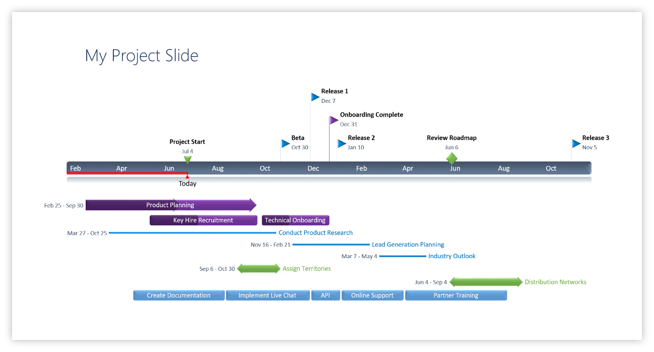

 |  |  | www.officetimeline.com

 |  |  | Instantly turn Excel data into PowerPoint slides with the Office Timeline add-in for PowerPoint.

3 Easy steps to instantly turn Excel data into a PowerPoint slide
1. Download the Free Office Timeline plug-in for PowerPoint - 14-day Trial Edition.
2. Open PowerPoint and click on NEW Timeline from the Office Timeline tab inside of PowerPoint.
Copy your Project Review Milestones and paste them into Office Timeline with the PASTE button.
3. Click the green SAVE button to instantly produce your timeline slide.

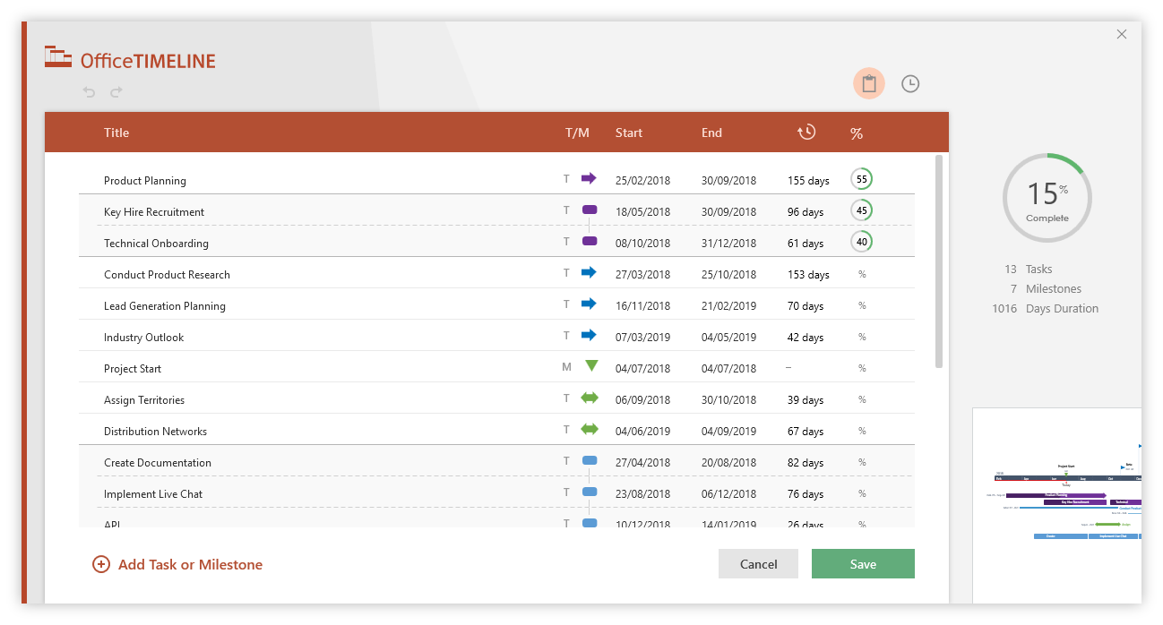

ENTER YOUR PROJECT MILESTONES
Excel Project Review Template - Guidance and Tips:
Enter your dates and milestone descriptions inside the Project Details table, and Excel will automatically update the timeline in the Project Review Form sheet.
We'd recommend arranging your milestone data in chronological order to ensure the timeline is generated correctly - otherwise, errors may occur in displaying the milestones.
The role of the Position values in the Project Details table is to prevent the Milestone labels from overlapping each other on the Project Review timeline. Use positive numbers to display labels above the timeline and negative numbers to position them below.
To add extra milestones, either insert new rows within the table or start typing below the last table entry, and the table will automatically expand to accommodate your newly added data.
To change a milestone's color to fit your project's RAG status, double-click the desired milestone shape to select it and then right-click on it. Next, go to Format Data Point -> Fill & Line -> Marker and select you preferred Border color.
To recolor a connector line, double-click to select it and, from the Font section of the Home tab on the ribbon, click on the Fill Color icon to choose the desired shade.
PROJECT DETAILS
DATE | MILESTONE | POSITION
10-May-18 | Kick Off | 15
7-Jun-18 | Milestone 1 | 5
21-Jul-18 | Milestone 2 | 10
1-Jul-18 | Checkpoint A | -8
20-Sep-18 | Milestone 3 | 5
30-Oct-18 | Milestone 4 | 10
20-Dec-18 | Checkpoint B | -8
30-Jan-19 | Milestone 5 | 5
10-Feb-19 | Milestone 6 | 15
30-Mar-19 | Milestone 7 | 5
20-May-19 | Checkpont C | -8
30-May-19 | Sign Off | 15
Project Review RAG Status Legend:
RED (R): Major issue - needs escalation. Quality is severely compromised or slippage exceeds 10% of the estimated project budget or time scale. Unlikely to deliver on budget or on time, or to meet the quality standards.
AMBER (A): Minor issue - being actively handled within the team. Budget or time scale slippage is within 10% of the estimated values, or impact on quality is minor. Scope is still within tolerance.
GREEN (G): Project is progressing according to plan. No issues, low risk, no corrective actions required.

